Title
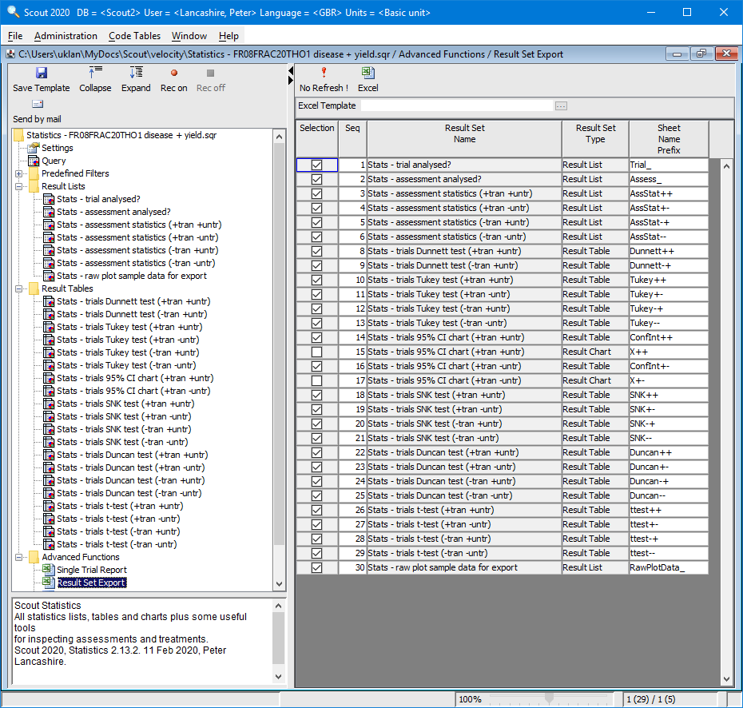
Title: | Statistics - FR08FRAC20THO1 disease + yield
Author: | Peter Lancashire
Date: | 2020-03-11
Purpose: | This is an example of the single trial analysis done by SCOUT. It shows two assessments in one trial: percentage disease and yield. The raw data are included as the last sheet. The sheets show various aspects of the stored information: • Trial-level analysis status • Assessment-level analysis status • Assessment × effect (factor) statistics • Assessment × factor level statistics The sheets are produced by SCOUT QSR from a query template. They also show other information from other tables in Scout to put the statistics in a context the user understands.

ConfInt++ FR08FRAC20THO1
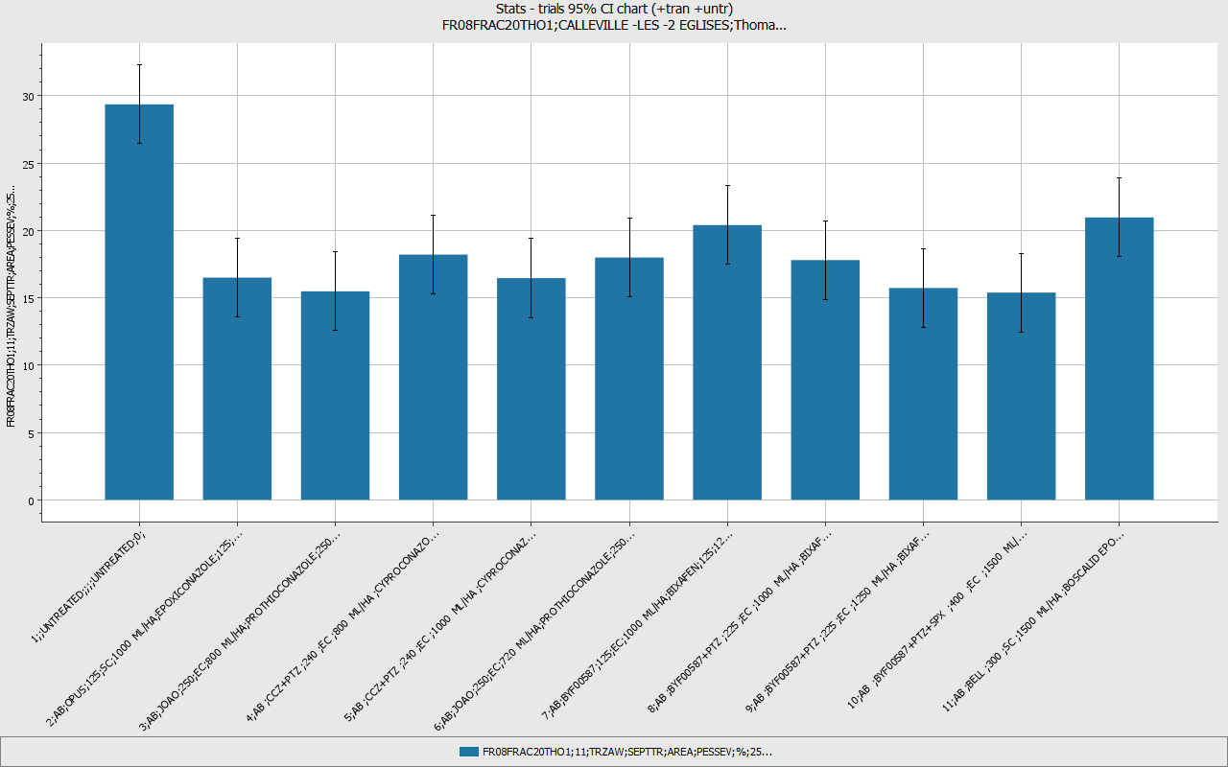
Trial | City | Trial.Officer | Column No.
FR08FRAC20THO1 | CALLEVILLE -LES -2 EGLISES | Thomas, Dominique | 11
Tran. predicted mean, with untr., with tran. / Half confidence interval 95%, with untr.,with tran. |  |  |  |  |  |  |  | Trial-ID | FR08FRAC20THO1 | FR08FRAC20THO1
 |  |  |  |  |  |  |  | Col. | 11 | 11
 |  |  |  |  |  |  |  | Crop | TRZAW | TRZAW
 |  |  |  |  |  |  |  | Target | SEPTTR | SEPTTR
 |  |  |  |  |  |  |  | Part Rated | AREA | AREA
 |  |  |  |  |  |  |  | Ass.Type | PESSEV | PESSEV
 |  |  |  |  |  |  |  | Ass.Unit | % | %
 |  |  |  |  |  |  |  | Samp.Total | 25 | 25
 |  |  |  |  |  |  |  | Samp.Unit | LEAF3 | LEAF3
 |  |  |  |  |  |  |  | Ass.Code | A2 | A2
 |  |  |  |  |  |  |  | DALastA | 20 DAA | 20 DAA
 |  |  |  |  |  |  |  | Ass.Date | 2008-06-03 | 2008-06-03
 |  |  |  |  |  |  |  | Design expl. | ASSWAR | ASSWAR
 |  |  |  |  |  |  |  | Analysis expl. | SUCCES | SUCCES
 |  |  |  |  |  |  |  | Transform | ANGLE | ANGLE
 |  |  |  |  |  |  |  | CV% +u+t | 15.4 | 15.4
 |  |  |  |  |  |  |  | Prob. +u+t | 0 | 0
 |  |  |  |  |  |  |  | LSD 5% +u+t | 4.14 | 4.14
 |  |  |  |  |  |  |  | HSD 5% +u+t | 7.05 | 7.05
 |  |  |  |  |  |  |  | Std.Err +u+t | 1.43 | 1.43
Trt | Appl. | Product | Conc.Total | FL | Prod.Dose | Ing.Name | Conc. | Ing.Dose | Mean(Tran) | Mean(95%CI/2 +u+t)
1 |  | UNTREATED |  |  |  | UNTREATED | 0 |  | 29.361 | 2.93
2 | AB | OPUS | 125 | SC | 1000 ML/HA | EPOXICONAZOLE | 125 | 125 G A/HA | 16.496 | 2.93
3 | AB | JOAO | 250 | EC | 800 ML/HA | PROTHIOCONAZOLE | 250 | 200 G A/HA | 15.48 | 2.93
4 | AB | CCZ+PTZ | 240 | EC | 800 ML/HA | CYPROCONAZOLE PROTHIOCONAZOLE | 60 180 | 48 G A/HA 144 G A/HA | 18.206 | 2.93
5 | AB | CCZ+PTZ | 240 | EC | 1000 ML/HA | CYPROCONAZOLE PROTHIOCONAZOLE | 60 180 | 60 G A/HA 180 G A/HA | 16.459 | 2.93
6 | AB | JOAO | 250 | EC | 720 ML/HA | PROTHIOCONAZOLE | 250 | 180 G A/HA | 17.989 | 2.93
7 | AB | BYF00587 | 125 | EC | 1000 ML/HA | BIXAFEN | 125 | 125 G A/HA | 20.398 | 2.93
8 | AB | BYF00587+PTZ | 225 | EC | 1000 ML/HA | BIXAFEN PROTHIOCONAZOLE | 75 150 | 75 G A/HA 150 G A/HA | 17.798 | 2.93
9 | AB | BYF00587+PTZ | 225 | EC | 1250 ML/HA | BIXAFEN PROTHIOCONAZOLE | 75 150 | 93.75 G A/HA 187.5 G A/HA | 15.726 | 2.93
10 | AB | BYF00587+PTZ+SPX | 400 | EC | 1500 ML/HA | BIXAFEN PROTHIOCONAZOLE SPIROXAMINE | 50 100 250 | 75 G A/HA 150 G A/HA 375 G A/HA | 15.386 | 2.93
11 | AB | BELL | 300 | SC | 1500 ML/HA | BOSCALID EPOXICONAZOLE | 233 67 | 349.5 G A/HA 100.5 G A/HA | 20.965 | 2.93

ConfInt++ FR08FRAC20THO1_2
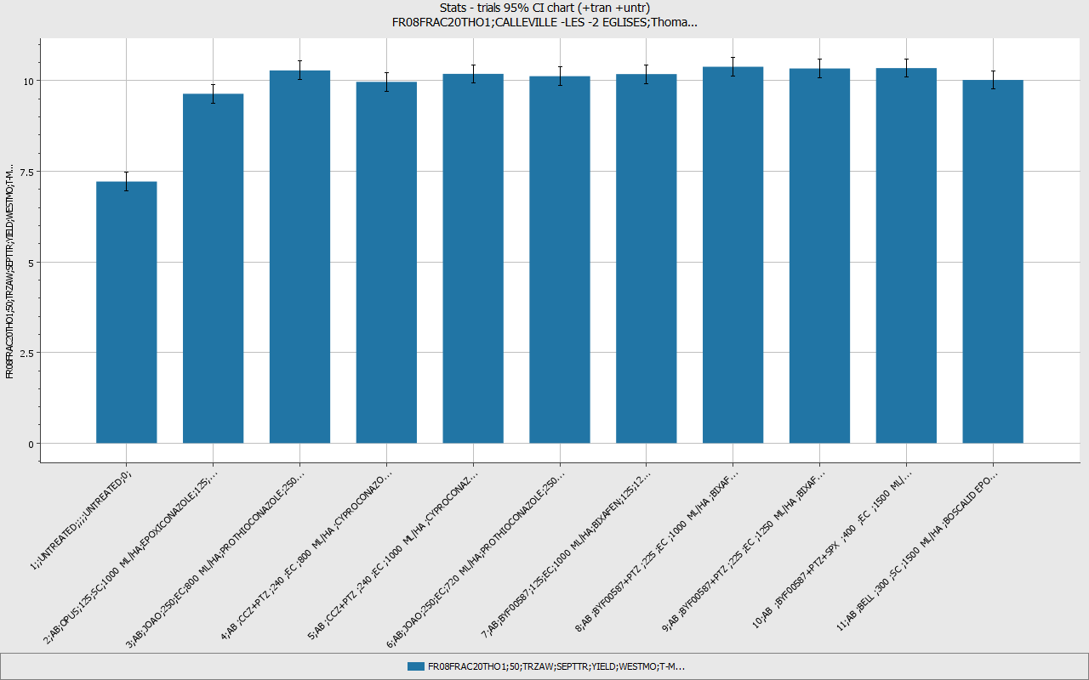
Trial | City | Trial.Officer | Column No.
FR08FRAC20THO1 | CALLEVILLE -LES -2 EGLISES | Thomas, Dominique | 50
Tran. predicted mean, with untr., with tran. / Half confidence interval 95%, with untr.,with tran. |  |  |  |  |  |  |  | Trial-ID | FR08FRAC20THO1 | FR08FRAC20THO1
 |  |  |  |  |  |  |  | Col. | 50 | 50
 |  |  |  |  |  |  |  | Crop | TRZAW | TRZAW
 |  |  |  |  |  |  |  | Target | SEPTTR | SEPTTR
 |  |  |  |  |  |  |  | Part Rated | YIELD | YIELD
 |  |  |  |  |  |  |  | Ass.Type | WESTMO | WESTMO
 |  |  |  |  |  |  |  | Ass.Unit | T-MET | T-MET
 |  |  |  |  |  |  |  | Samp.Total | 1 | 1
 |  |  |  |  |  |  |  | Samp.Unit | HA | HA
 |  |  |  |  |  |  |  | Ass.Code | H1 | H1
 |  |  |  |  |  |  |  | DALastA | 87 DAB | 87 DAB
 |  |  |  |  |  |  |  | Ass.Date | 2008-08-30 | 2008-08-30
 |  |  |  |  |  |  |  | Design expl. | ASSWAR | ASSWAR
 |  |  |  |  |  |  |  | Analysis expl. | SUCCES | SUCCES
 |  |  |  |  |  |  |  | Transform | NONE | NONE
 |  |  |  |  |  |  |  | CV% +u+t | 2.5 | 2.5
 |  |  |  |  |  |  |  | Prob. +u+t | 0 | 0
 |  |  |  |  |  |  |  | LSD 5% +u+t | 0.36 | 0.36
 |  |  |  |  |  |  |  | HSD 5% +u+t | 0.61 | 0.61
 |  |  |  |  |  |  |  | Std.Err +u+t | 0.12 | 0.12
Trt | Appl. | Product | Conc.Total | FL | Prod.Dose | Ing.Name | Conc. | Ing.Dose | Mean(Tran) | Mean(95%CI/2 +u+t)
1 |  | UNTREATED |  |  |  | UNTREATED | 0 |  | 7.217 | 0.25
2 | AB | OPUS | 125 | SC | 1000 ML/HA | EPOXICONAZOLE | 125 | 125 G A/HA | 9.638 | 0.25
3 | AB | JOAO | 250 | EC | 800 ML/HA | PROTHIOCONAZOLE | 250 | 200 G A/HA | 10.282 | 0.25
4 | AB | CCZ+PTZ | 240 | EC | 800 ML/HA | CYPROCONAZOLE PROTHIOCONAZOLE | 60 180 | 48 G A/HA 144 G A/HA | 9.967 | 0.25
5 | AB | CCZ+PTZ | 240 | EC | 1000 ML/HA | CYPROCONAZOLE PROTHIOCONAZOLE | 60 180 | 60 G A/HA 180 G A/HA | 10.188 | 0.25
6 | AB | JOAO | 250 | EC | 720 ML/HA | PROTHIOCONAZOLE | 250 | 180 G A/HA | 10.123 | 0.25
7 | AB | BYF00587 | 125 | EC | 1000 ML/HA | BIXAFEN | 125 | 125 G A/HA | 10.181 | 0.25
8 | AB | BYF00587+PTZ | 225 | EC | 1000 ML/HA | BIXAFEN PROTHIOCONAZOLE | 75 150 | 75 G A/HA 150 G A/HA | 10.384 | 0.25
9 | AB | BYF00587+PTZ | 225 | EC | 1250 ML/HA | BIXAFEN PROTHIOCONAZOLE | 75 150 | 93.75 G A/HA 187.5 G A/HA | 10.336 | 0.25
10 | AB | BYF00587+PTZ+SPX | 400 | EC | 1500 ML/HA | BIXAFEN PROTHIOCONAZOLE SPIROXAMINE | 50 100 250 | 75 G A/HA 150 G A/HA 375 G A/HA | 10.346 | 0.25
11 | AB | BELL | 300 | SC | 1500 ML/HA | BOSCALID EPOXICONAZOLE | 233 67 | 349.5 G A/HA 100.5 G A/HA | 10.02 | 0.25

ConfInt+- FR08FRAC20THO1
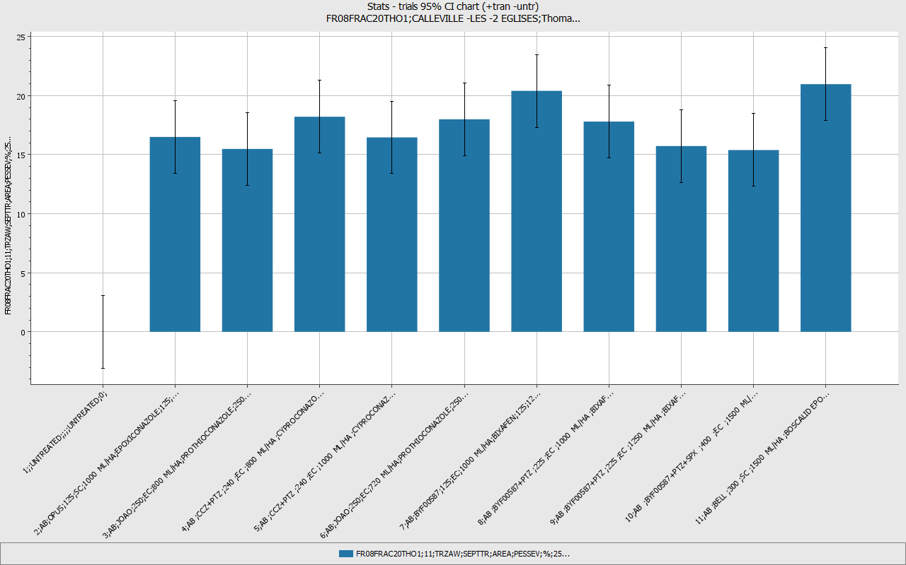
Trial | City | Trial.Officer | Column No.
FR08FRAC20THO1 | CALLEVILLE -LES -2 EGLISES | Thomas, Dominique | 11
Tran. predicted mean, no untr., with tran. / Half confidence interval 95%, no untr.,with tran. |  |  |  |  |  |  |  | Trial-ID | FR08FRAC20THO1 | FR08FRAC20THO1
 |  |  |  |  |  |  |  | Col. | 11 | 11
 |  |  |  |  |  |  |  | Crop | TRZAW | TRZAW
 |  |  |  |  |  |  |  | Target | SEPTTR | SEPTTR
 |  |  |  |  |  |  |  | Part Rated | AREA | AREA
 |  |  |  |  |  |  |  | Ass.Type | PESSEV | PESSEV
 |  |  |  |  |  |  |  | Ass.Unit | % | %
 |  |  |  |  |  |  |  | Samp.Total | 25 | 25
 |  |  |  |  |  |  |  | Samp.Unit | LEAF3 | LEAF3
 |  |  |  |  |  |  |  | Ass.Code | A2 | A2
 |  |  |  |  |  |  |  | DALastA | 20 DAA | 20 DAA
 |  |  |  |  |  |  |  | Ass.Date | 2008-06-03 | 2008-06-03
 |  |  |  |  |  |  |  | Design expl. | ASSWAR | ASSWAR
 |  |  |  |  |  |  |  | Analysis expl. | SUCCES | SUCCES
 |  |  |  |  |  |  |  | Transform | ANGLE | ANGLE
 |  |  |  |  |  |  |  | CV% -u+t | 17.1 | 17.1
 |  |  |  |  |  |  |  | Prob. -u+t | 0.13 | 0.13
 |  |  |  |  |  |  |  | LSD 5% -u+t | 4.35 | 4.35
 |  |  |  |  |  |  |  | HSD 5% -u+t | 7.29 | 7.29
 |  |  |  |  |  |  |  | Std.Err -u+t | 1.5 | 1.5
Trt | Appl. | Product | Conc.Total | FL | Prod.Dose | Ing.Name | Conc. | Ing.Dose | Mean(Tran) | Mean(95%CI/2 -u+t)
1 |  | UNTREATED |  |  |  | UNTREATED | 0 |  |  | 3.08
2 | AB | OPUS | 125 | SC | 1000 ML/HA | EPOXICONAZOLE | 125 | 125 G A/HA | 16.496 | 3.08
3 | AB | JOAO | 250 | EC | 800 ML/HA | PROTHIOCONAZOLE | 250 | 200 G A/HA | 15.48 | 3.08
4 | AB | CCZ+PTZ | 240 | EC | 800 ML/HA | CYPROCONAZOLE PROTHIOCONAZOLE | 60 180 | 48 G A/HA 144 G A/HA | 18.206 | 3.08
5 | AB | CCZ+PTZ | 240 | EC | 1000 ML/HA | CYPROCONAZOLE PROTHIOCONAZOLE | 60 180 | 60 G A/HA 180 G A/HA | 16.459 | 3.08
6 | AB | JOAO | 250 | EC | 720 ML/HA | PROTHIOCONAZOLE | 250 | 180 G A/HA | 17.989 | 3.08
7 | AB | BYF00587 | 125 | EC | 1000 ML/HA | BIXAFEN | 125 | 125 G A/HA | 20.398 | 3.08
8 | AB | BYF00587+PTZ | 225 | EC | 1000 ML/HA | BIXAFEN PROTHIOCONAZOLE | 75 150 | 75 G A/HA 150 G A/HA | 17.798 | 3.08
9 | AB | BYF00587+PTZ | 225 | EC | 1250 ML/HA | BIXAFEN PROTHIOCONAZOLE | 75 150 | 93.75 G A/HA 187.5 G A/HA | 15.726 | 3.08
10 | AB | BYF00587+PTZ+SPX | 400 | EC | 1500 ML/HA | BIXAFEN PROTHIOCONAZOLE SPIROXAMINE | 50 100 250 | 75 G A/HA 150 G A/HA 375 G A/HA | 15.386 | 3.08
11 | AB | BELL | 300 | SC | 1500 ML/HA | BOSCALID EPOXICONAZOLE | 233 67 | 349.5 G A/HA 100.5 G A/HA | 20.965 | 3.08

ConfInt+- FR08FRAC20THO1_2
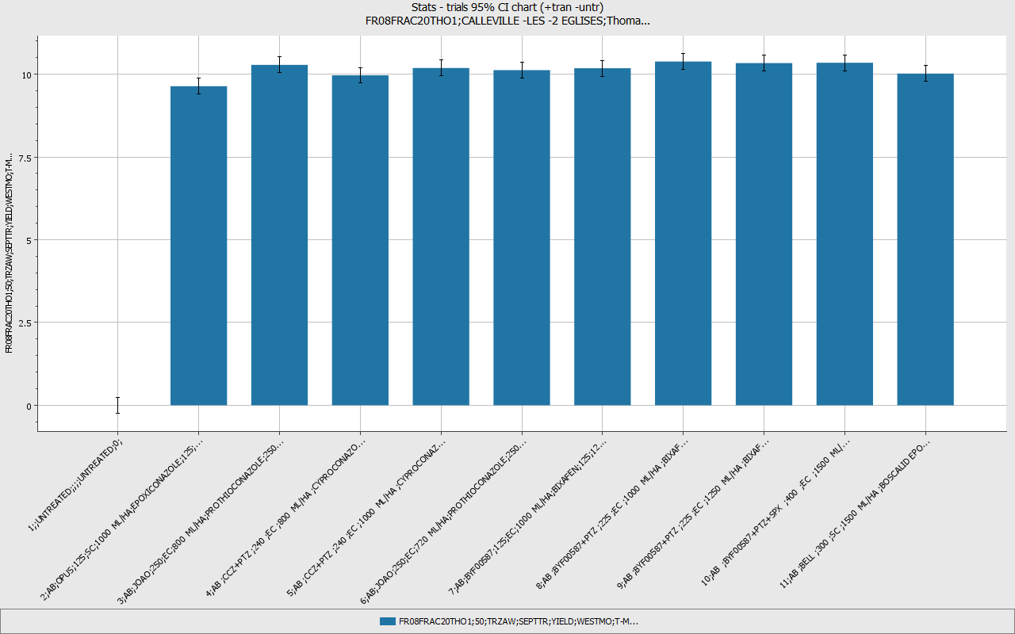
Trial | City | Trial.Officer | Column No.
FR08FRAC20THO1 | CALLEVILLE -LES -2 EGLISES | Thomas, Dominique | 50
Tran. predicted mean, no untr., with tran. / Half confidence interval 95%, no untr.,with tran. |  |  |  |  |  |  |  | Trial-ID | FR08FRAC20THO1 | FR08FRAC20THO1
 |  |  |  |  |  |  |  | Col. | 50 | 50
 |  |  |  |  |  |  |  | Crop | TRZAW | TRZAW
 |  |  |  |  |  |  |  | Target | SEPTTR | SEPTTR
 |  |  |  |  |  |  |  | Part Rated | YIELD | YIELD
 |  |  |  |  |  |  |  | Ass.Type | WESTMO | WESTMO
 |  |  |  |  |  |  |  | Ass.Unit | T-MET | T-MET
 |  |  |  |  |  |  |  | Samp.Total | 1 | 1
 |  |  |  |  |  |  |  | Samp.Unit | HA | HA
 |  |  |  |  |  |  |  | Ass.Code | H1 | H1
 |  |  |  |  |  |  |  | DALastA | 87 DAB | 87 DAB
 |  |  |  |  |  |  |  | Ass.Date | 2008-08-30 | 2008-08-30
 |  |  |  |  |  |  |  | Design expl. | ASSWAR | ASSWAR
 |  |  |  |  |  |  |  | Analysis expl. | SUCCES | SUCCES
 |  |  |  |  |  |  |  | Transform | NONE | NONE
 |  |  |  |  |  |  |  | CV% -u+t | 2.3 | 2.3
 |  |  |  |  |  |  |  | Prob. -u+t | 0.003 | 0.003
 |  |  |  |  |  |  |  | LSD 5% -u+t | 0.34 | 0.34
 |  |  |  |  |  |  |  | HSD 5% -u+t | 0.56 | 0.56
 |  |  |  |  |  |  |  | Std.Err -u+t | 0.12 | 0.12
Trt | Appl. | Product | Conc.Total | FL | Prod.Dose | Ing.Name | Conc. | Ing.Dose | Mean(Tran) | Mean(95%CI/2 -u+t)
1 |  | UNTREATED |  |  |  | UNTREATED | 0 |  |  | 0.24
2 | AB | OPUS | 125 | SC | 1000 ML/HA | EPOXICONAZOLE | 125 | 125 G A/HA | 9.638 | 0.24
3 | AB | JOAO | 250 | EC | 800 ML/HA | PROTHIOCONAZOLE | 250 | 200 G A/HA | 10.282 | 0.24
4 | AB | CCZ+PTZ | 240 | EC | 800 ML/HA | CYPROCONAZOLE PROTHIOCONAZOLE | 60 180 | 48 G A/HA 144 G A/HA | 9.967 | 0.24
5 | AB | CCZ+PTZ | 240 | EC | 1000 ML/HA | CYPROCONAZOLE PROTHIOCONAZOLE | 60 180 | 60 G A/HA 180 G A/HA | 10.188 | 0.24
6 | AB | JOAO | 250 | EC | 720 ML/HA | PROTHIOCONAZOLE | 250 | 180 G A/HA | 10.123 | 0.24
7 | AB | BYF00587 | 125 | EC | 1000 ML/HA | BIXAFEN | 125 | 125 G A/HA | 10.181 | 0.24
8 | AB | BYF00587+PTZ | 225 | EC | 1000 ML/HA | BIXAFEN PROTHIOCONAZOLE | 75 150 | 75 G A/HA 150 G A/HA | 10.384 | 0.24
9 | AB | BYF00587+PTZ | 225 | EC | 1250 ML/HA | BIXAFEN PROTHIOCONAZOLE | 75 150 | 93.75 G A/HA 187.5 G A/HA | 10.336 | 0.24
10 | AB | BYF00587+PTZ+SPX | 400 | EC | 1500 ML/HA | BIXAFEN PROTHIOCONAZOLE SPIROXAMINE | 50 100 250 | 75 G A/HA 150 G A/HA 375 G A/HA | 10.346 | 0.24
11 | AB | BELL | 300 | SC | 1500 ML/HA | BOSCALID EPOXICONAZOLE | 233 67 | 349.5 G A/HA 100.5 G A/HA | 10.02 | 0.24

